Train Data Set
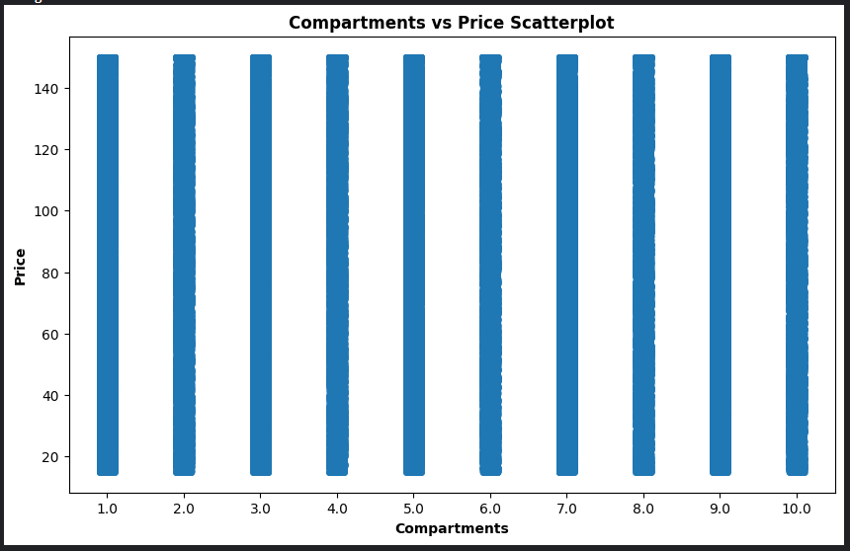
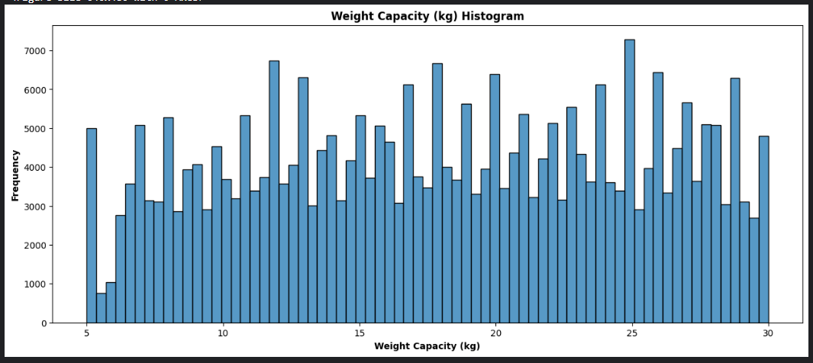
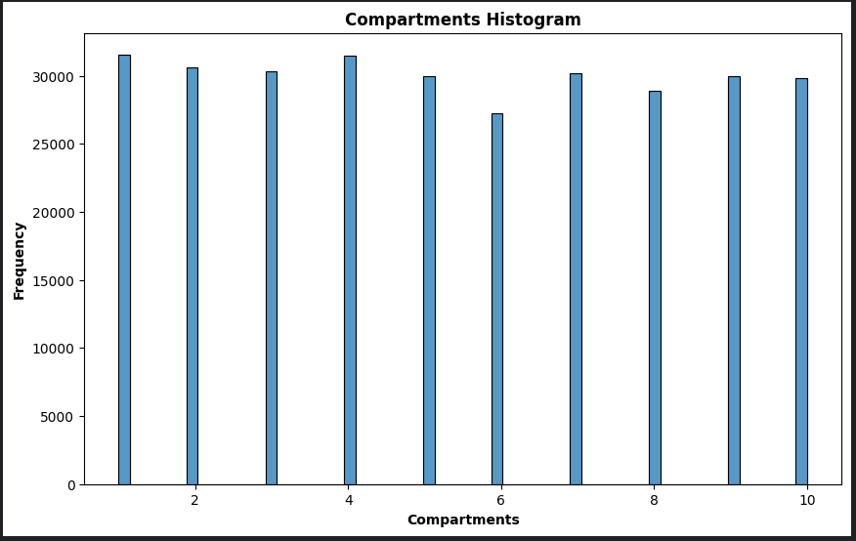
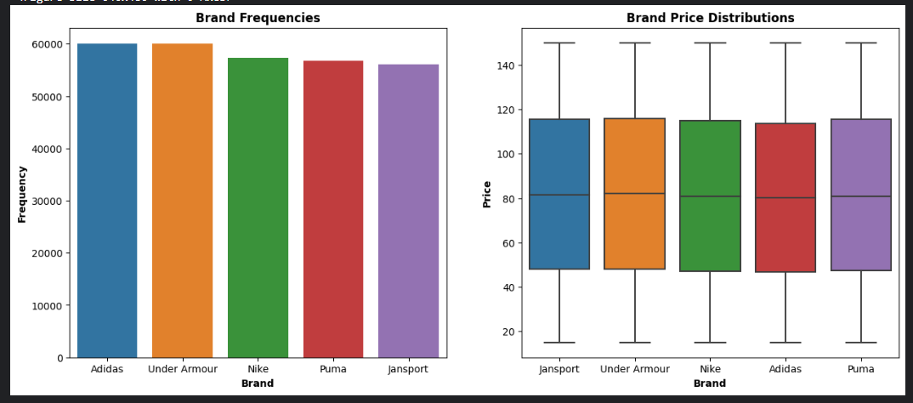
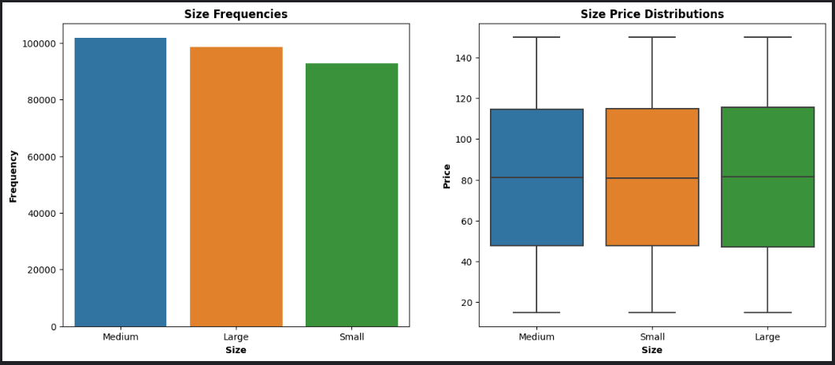
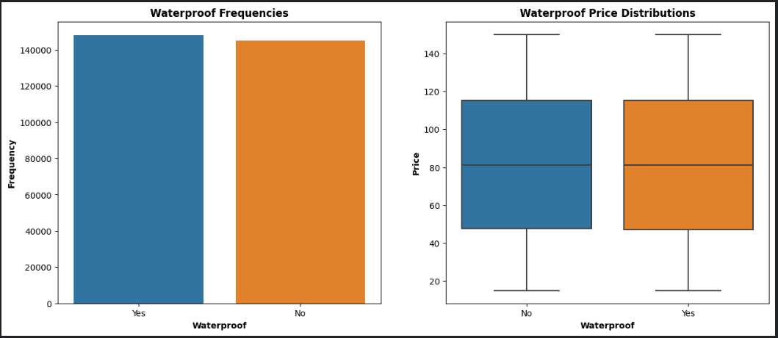
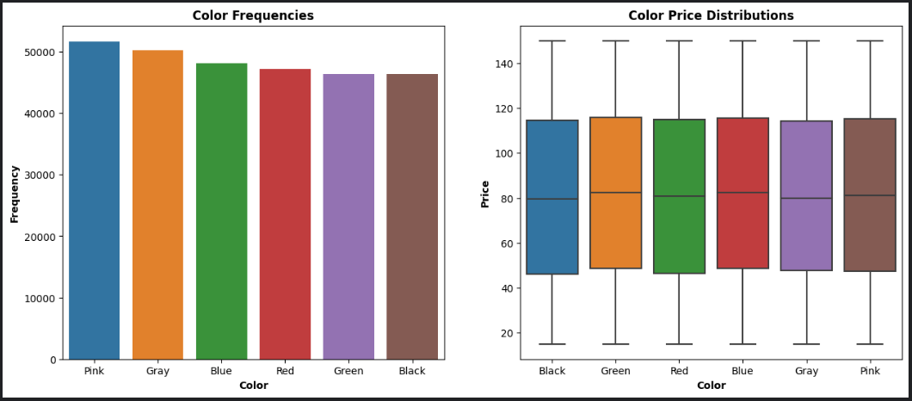
 | Column | Adjusted Column | Record Count |  | Data Type (old) | Data Type (new) | Missing Values | Use | Fill Type | Transform Type
9 | Weight Capacity (kg) | Weight_Capacity_(kg) | 299862 | non-null | float64 | object | 138 | Yes | mean | OHE, 3 Buckets
4 | Compartments | Compartments | 300000 | non-null | float64 | int64 | 0 | Yes | n/a | num
10 | Price | Price | 300000 | non-null | float64 | float64 | 0 | Target | n/a | ln scale
0 | id | id | 300000 | non-null | int64 | int64 | 0 | No | n/a | n/a
3 | Size | Size | 293405 | non-null | object | object | 6595 | Yes | ? | ODE
5 | Laptop Compartment | Laptop_Compartment | 292556 | non-null | object | object | 7444 | Yes | 'Unknown' | ODE
6 | Waterproof | Waterproof | 292950 | non-null | object | object | 7050 | Yes | 'Unknown' | ODE
1 | Brand | Brand | 290295 | non-null | object | object | 9705 | Yes | 'Unknown' | OHE
2 | Material | Material | 291653 | non-null | object | object | 8347 | Yes | 'Unknown' | OHE
7 | Style | Style | 292030 | non-null | object | object | 7970 | Yes | 'Unknown' | OHE
8 | Color | Color | 290050 | non-null | object | object | 9950 | Yes | 'Unknown' | OHE

 | Missing Data Spread

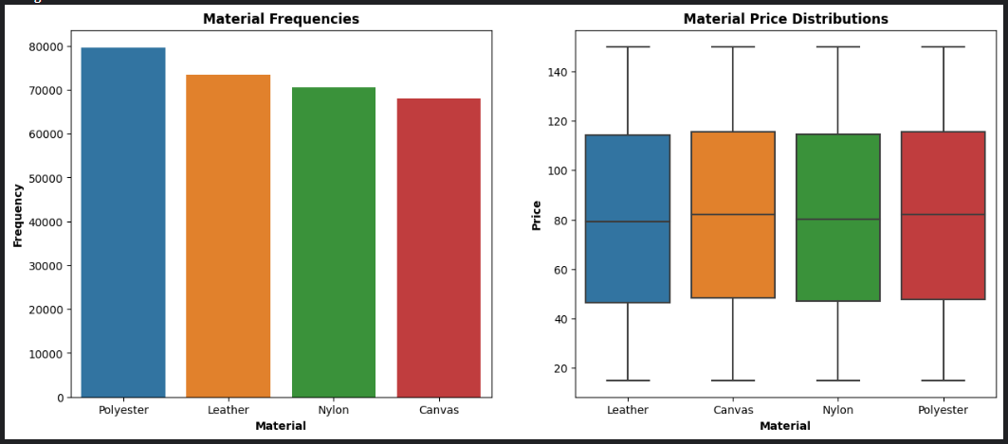
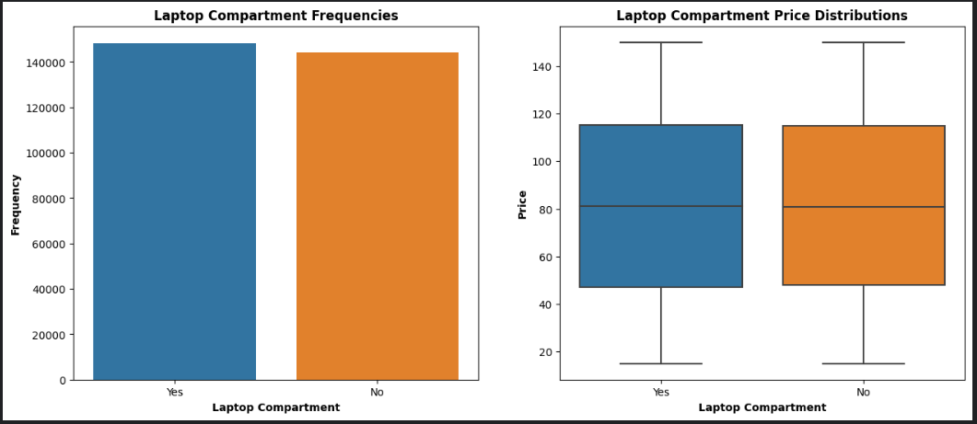
 | Total Rows | 53314
 | Total Values | 57199 | 107%
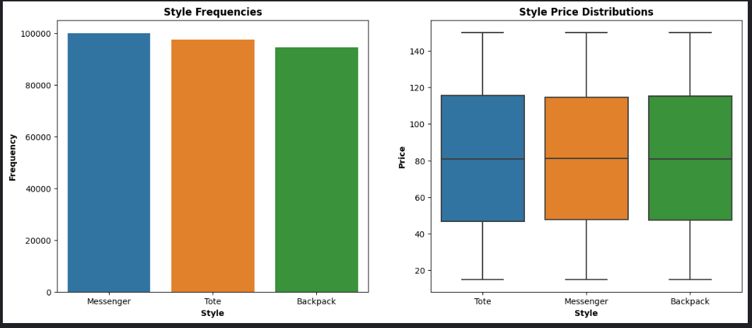
 | Insignificant overlap in missing data points, recommend to not drop rows

